Sheet1
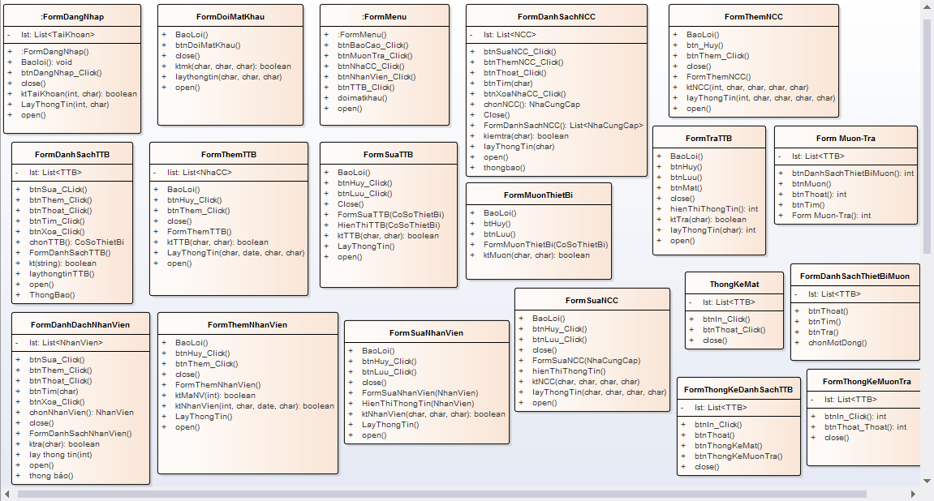
 | KH_HUE_T01_ClassDiagram_v1.0

ENITY ClassDiagram_v1.0

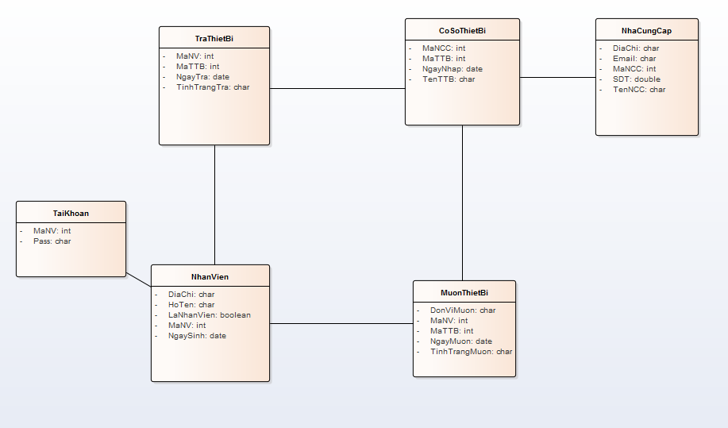

DAO ClassDiagram_v1.0

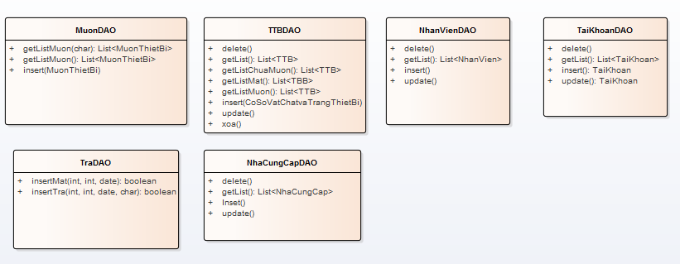

UI CLassDiagram_v1.0

